Form
System auto generate for documnet number format CCAR+YYYY/NNNN
 |  | Customer Corrective Action Request (CCAR) |  |  |  |  |  |  |  |  |  |  |  |  | CCAR Document No. : CCAR20YY/000X

System record for the created date.
 |  |  |  |  |  |  |  |  |  |  |  |  |  |  | CCAR Issue date DD/MM/YYYY

Display Requester Information
1.Requester Information
Name : Wisa Saetang |  |  |  |  |  | Department : Automotive Coating Business (AOEM)
Position : Techno Commercial Representative
CCAR Information

Requested by * |  |  |  |  |  | => Sales , TS , Purchase |  |  | BU * |  |  |  |  | => AOEM , AMAP , AMPC , MO , GEN , PTC , CED , PDP , OSSC |  |  |  |  | Plant * |  |  | => EN , TH , DR , AR , WT , WB/RM , ED , PP/RM , PT/RM

In case select "Other" , required to fill additional description.
Subject* : |  |  |  |  |  |  |  |  |  | Product termination : |  |  | o | Yes. Ref. No. :
 |  | - Product Quality
 |  | - Shade |  |  |  |  |  |  |  |  |  |  | o | NO
* If select CCR No. this field will be required to fill.
 |  | - Packaging
* If select "CCR No." this field will be required to fill.
 |  | - Delivery
 |  | - Other (identify): ____________
* If select "Customer Written Document" this field will be required to fill.
* If select "Customer Written Document" this field will be required to fill.
Refer to documents * : |  |  | o | CCR No.* (Need to have in Quality Case) : |  |  |  |  |  |  |  |  |  |  | Attached file *:

Can input more than 1 batch such as 20251002 , 20260812 , ...
 |  |  | o | Customer Written Document : |  |  |  |  |  |  |  |  |  |  | Attached file * :
Auto display Customer and Product Name after select code.
Customer Code * : |  |  |  | Customer Name

Product Code * : |  |  |  | Product Name |  |  |  |  |  |  |  |  |  | Batch No.*

For D/O number , Item and Quantity able to fill
5 number for maximum.
DO. No. *: |  |  |  |  |  |  |  |  | Item* : |  |  |  |  | Quantity* :

Able to select problem more than 1.
Found Problem * :
 |  |  |  Seeding |  |  Hardness |  |  |  Color Difference |  |  |  |  Shortage Weight
 |  |  |  Gel |  |  Gloss |  |  |  Soft Blocking/Blocking |  |  |  |  Delivery Mistake
 |  |  |  Crater |  |  Sagging |  |  |  Label Mistake |  |  |  |  Delay Delivery
In case select "Other" , required to fill additional description.
 |  |  |  Sedimentation |  |  Sanding Mark |  |  |  Contamination |  |  |  |  No. COA
 |  |  |  Skinning |  |  Viscosity |  |  |  Container Problem |  |  |  |  Other ___________________

Containment Action * : |  |  | £ Adjust in Customer Line : |  |  |  |  |  |  |  |  |  | Compensation* : |  | o | No

 |  |  | £ Return back with GRF No. : |  |  |  |  |  |  |  |  |  |  |  | o | Yes

 |  |  | £ Other : |  |  |  |  |  |  |  |  |  |  |  |  |  | - Goods exchange
 |  |  |  |  |  |  |  |  |  |  |  |  |  |  |  |  | - Credit note
 |  |  |  |  |  |  |  |  |  |  |  |  |  |  |  |  | - Payment

Detail of Problem * : |  |  |  |  |  |  |  |  |  |  |  |  |  |  |  | Value * : |  |  |  | Baht

Multiple line for describe detail of problem.

 |  |  |  |  |  |  |  |  |  |  |  |  |  |  |  |  |  |  |  | Submit

1.1 Verify Issue CCAR |  |  |  |  |  |  |  |  |  |  |  | 1.2 Approve Issue CCAR
Name : ______________ |  |  | Department : ______________ Position : ______________ |  |  |  |  |  |  |  |  | Name : ______________ |  |  | Department : ______________ Position : ______________
Result |  Correct |  |  Incorrect |  | Date DD/MM/YYYY |  |  |  |  |  |  | Result |  Correct |  |  Incorrect |  | Date DD/MM/YYYY

Required if the result is "Incorrect"
Required if the result is "Incorrect"
Reason |  |  |  |  |  |  |  |  |  |  |  | Reason

 |  |  |  | Approve |  |  | Reject |  |  |  |  |  |  |  |  | Approve |  |  | Reject

Flow by plant in case of Subject = Product Quality (QC) or Shade (PRD)
ข้อมูลผู้วิเคราะห์เอกสาร CCAR
Name : Wichuda Korkasetwit |  |  |  |  |  |  | Department : IU Quality Control
Position : Assistant Manager

1.3 Confirm retain sample (Subject = Product Quality (QC) or Shade(PRD) )
* Require the attached file if select "Have problem ..."
Confirm Retain Sample : |  |  | £ No problem |  |  | £ Have problem sames as customer line ( * please attached test result)
 |  |  |  |  |  |  |  |  |  |  |  |  |  |  |  |  |  |  | Submit

Flow to this step by BU
Flow to this step by BU
QEM verify and Classification CCAR
2. QEM Staff verify and Classification CCAR |  |  |  |  |  |  |  |  |  |  |  | 2.1 QMR approve receive CCAR

Name : Nuttavadee Sukkasam |  |  |  | Department : QEM |  |  | Position : Supervisor |  |  |  |  | Name : Porpimon Hirungure |  |  |  | Department : QEM |  |  | Position : QMR

Result |  Correct |  |  Incorrect |  | Date DD/MM/YYYY |  |  |  |  |  |  | Result |  Correct |  Incorrect |  |  | Date DD/MM/YYYY

Reason |  |  |  |  |  |  |  |  |  |  |  | Reason
Required if the result is "Incorrect"
Required if the result is "Incorrect"

 |  |  |  | Accept |  |  | Reject |  |  |  |  |  |  |  |  | Approve |  |  | Reject

2.2 QEM staff select meeting CCAR
 |  |  |  |  |  |  |  |  |  |  |  | Select Department who join meeting CCAR* :
Name : Nuttavadee Sukkasam |  |  |  | Department : QEM |  |  | Position : Supervisor |  |  |  |  |  |  |  |  | PD | QC | INV | TN | TS | PUR | MRP
 |  |  |  |  |  |  |  |  |  |  |  |  |  |  |  | EN | EN | EN | AOEM | AOEM | AOEM | EN
Result * |  Call meeting |  |  Not call meeting |  |  |  | Date DD/MM/YYYY |  |  |  |  |  |  |  |  | TH | TH | TH | AMAP | AMAP | AMAP | TH
 |  |  |  |  |  |  |  |  |  |  |  |  |  |  |  | DR | DR | DR | AMPC | AMPC | AMPC | DR
Reason |  |  |  |  |  |  |  |  |  |  |  |  |  |  |  | AR | AR | AR | MO | MO | MO | AR
Required if the result is "Not call meeting"
 |  |  |  |  |  |  |  |  |  |  |  |  |  |  |  | WT | WT | WT | GEN | GEN | GEN | WT
Able to select more than 1 department to inform the team for new CCAR to arrange meeting.
 |  |  |  |  |  |  |  |  |  |  |  |  |  |  |  | WB/RM | WB/RM | WB/RM | PTC | PTC | PTC | WB/RM
 |  |  |  |  |  |  |  |  |  |  |  |  |  |  |  | ED | ED | ED | CED | CED | CED | ED
 |  |  |  |  |  |  |  |  |  |  |  |  |  |  |  | PP/RM | PP/RM | PP/RM | PDP | PDP | PDP | PP/RM
 |  |  |  | Submit |  |  |  |  |  |  |  |  |  |  |  | PT/RM | PT/RM | PT/RM |  |  | OSSC | PT/RM

 |  |  |  |  |  |  |  |  |  |  |  |  |  |  | Meeting Date | DD/MM/YYYY |  |  | Time Period
 |  |  |  |  |  |  |  |  |  |  |  |  |  |  |  |  |  |  |  | - Morning
 |  |  |  |  |  |  |  |  |  |  |  |  |  |  | Meeting Room |  |  |  |  | - Afternoon

2.3 QMR Assign Department to answer CCAR
Name : Porpimon Hirungure |  |  |  | Department : QEM |  |  | Position : QMR |  |  |  |  | Assignment to Department who answer CCAR* :
 |  |  |  |  |  |  |  |  |  |  |  |  |  |  |  |  | PD | QC | INV | TN | TS | PUR
Result |  Correct |  |  Incorrect |  |  |  | Date DD/MM/YYYY |  |  |  |  |  |  |  |  |  | EN | EN | EN | AOEM | AOEM | AOEM
 |  |  |  |  |  |  |  |  |  |  |  |  |  |  |  |  | TH | TH | TH | AMAP | AMAP | AMAP
Required if the result is "Incorrect"
Reason |  |  |  |  |  |  |  |  |  |  |  |  |  |  |  |  | DR | DR | DR | AMPC | AMPC | AMPC
 |  |  |  |  |  |  |  |  |  |  |  |  |  |  |  |  | AR | AR | AR | MO | MO | MO
Able to select 1 department to answer the CCAR
 |  |  |  |  |  |  |  |  |  |  |  |  |  |  |  |  | WT | WT | WT | GEN | GEN | GEN
 |  |  |  |  |  |  |  |  |  |  |  |  |  |  |  |  | WB/RM | WB/RM | WB/RM | PTC | PTC | PTC
 |  |  |  |  |  |  |  |  |  |  |  |  |  |  |  |  | ED | ED | ED | CED | CED | CED
Flow to the department that's selected in 2.3
 |  |  |  | Approve |  |  | Reject |  |  |  |  |  |  |  |  |  | PP/RM | PP/RM | PP/RM | PDP | PDP | PDP
 |  |  |  |  |  |  |  |  |  |  |  |  |  |  |  |  | PT/RM | PT/RM | PT/RM |  |  | OSSC

3.1 Root cause Analysis ,Corrective and Preventive action

Root Cause Analysis* : |  |  | o 5 Why : | Attached file: |  |  |  |  | o Fish Bone Diagram : |  |  | Attached file: |  |  |  |  | o Other : | Attached file:

Cause of problem* :

Reason code* : |  |  |  |  |  |  |  |  |  |  | Confirm retained sample* :
 |  |  |  |  |  |  |  |  |  |  |  |  |  | - Valid
 |  |  |  |  |  |  |  |  |  |  |  |  |  | - Not Valid

1. xxxxxxxxx
3.1
Corrective Action* :
2. xxxxxxxxx

3. xxxxxxxxx

4. xxxxxxxxx
For Each item of Corrective Action , the user can assign the department to response for Feedback Corrective Action (Max item is about 7 items)

Due Date : |  |  | DD/MM/YYYY |  |  |  |  |  |  |  |  |  |  |  |  | TN , QC , INV , PD , MRP , TS , PUR

Consume GRF/Hold Stock :
 |  |  | - No
 |  |  | - Yes |  |  | QTY'

 |  |  |  |  |  | Estimate consume finished date : |  |  |  | DD/MM/YYYY

1. xxxxxxxxx
3.1
Preventive Action* :
2. xxxxxxxxx

3. xxxxxxxxx

4. xxxxxxxxx
For Each item of Preventive Action , the user can assign the department to response for Feedback Preventive Action (Max item is about 7 items)
 |  |  |  |  |  |  |  |  |  |  |  |  |  |  |  | TN , QC , INV , PD , MRP , TS , PUR
Due Date : |  |  | DD/MM/YYYY

Need expanded prevention* : |  |  | £ No
 |  |  | £ Need expanded prevention (please identify)

 |  |  |  |  |  |  |  |  |  |  |  |  | Due Date : |  | DD/MM/YYYY

Flow to the department that's selected in 2.3
Need review FMEA :
 |  |  | - No
 |  |  | - PFMEA
 |  |  | - DFMEA |  |  |  |  |  |  |  |  |  |  |  |  |  |  |  | Submit

3.2 Approve Root cause ,Corrective and Preventive action |  |  |  |  |  |  |  |  |  |  |  | 3.3 QEM Staff verify Root cause ,Corrective and Preventive action and Set Due follow up document

Name : ______________ |  |  | Department : ______________ Position : ______________ |  |  |  |  |  |  |  |  | Name : Nuttavadee Sukkasam |  |  |  | Department : QEM |  |  | Position : Supervisor

Result |  Correct |  |  Incorrect |  | Date DD/MM/YYYY |  |  |  |  |  |  | Result |  Correct |  Incorrect |  | Date DD/MM/YYYY |  |  | Due Follow up Date : |  | DD/MM/YYYY
Required if the result is "Incorrect"
Required if the result is "Incorrect"
Reason |  |  |  |  |  |  |  |  |  |  |  | Reason |  |  |  |  |  |  | Extension Date (If have) : |  | DD/MM/YYYY

 |  |  |  | Approve |  |  | Reject |  |  |  |  |  |  |  | Submit |  |  | Reject

3.4.QMR Approved Root cause ,Corrective and Preventive action
Name : Porpimon Hirungure |  |  |  |  | CCAR (CCAR Type)*
Position QMR |  |  |  |  | Date DD/MM/YYYY

Required if the result is "Incorrect"
Result |  Correct |  |  Incorrect

Reason

 |  |  |  | Approve |  |  | Reject

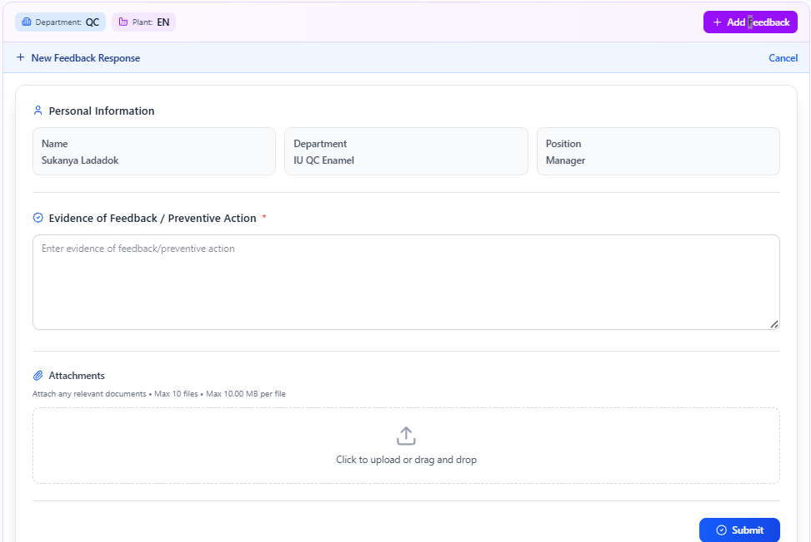
4. Feedback Corrective action |  |  |  |  |  |  |  |  |  |  |  |  |  | 4. Feedback Preventive and Expanded Preventive action
Name : |  |  |  |  | Department : |  |  |  |  |  |  |  |  | Name : |  |  |  |  | Department :
Position : |  |  |  |  |  |  |  |  |  |  |  |  |  | Position :

After the QMR has approved the Root Cause, Corrective Action, and Preventive Action (Section 3.4), the department selected in Section 3.1 (in part Corrective Action) have to feedback and attach supporting documents as evidence for the closure of the CCAR.
After the QMR has approved the Root Cause, Corrective Action, and Preventive Action (Section 3.4), the department selected in Section 3.1 (in part Preventive Action) have to feedback and attach supporting documents as evidence for the closure of the CCAR.

Flow to this step by BU after all feedback in step 4 completed.
Flow to this step by BU
 | Remark : User request to modify document after done this step in case found the incorrect attached document. |  |  |  |  |  |  |  |  |  |  |  |  |  | Remark : User request to modify document after done this step in case found the incorrect attached document.
5.QEM Staff verify evident to close CCAR |  |  |  |  |  |  |  |  |  |  | 6. Follow up customer feedback
Name : Nuttavadee Sukkasam |  |  |  |  | Department : QEM |  |  |  |  |  | Name : xxxxx xxxxxxxxxxx |  |  |  | Department Sale / Technical Service / Purchasing
Position : Supervisor |  |  |  |  | Date DD/MM/YYYY |  |  |  |  |  | Position : Authorized by department |  |  |  | Date DD/MM/YYYY
Required if the result is "Incorrect"
Required if the result is "Incorrect"
Result |  Correct |  |  Incorrect |  |  |  |  |  |  |  | Customer Feed back : |  |  |  |  | Reason
 |  |  |  |  |  |  |  |  |  |  |  |  |  | - Satisfaction
Reason |  |  |  |  |  |  |  |  |  |  |  |  |  | - Unsatisfaction

 |  |  |  | Submit |  |  |  |  |  |  |  |  |  |  |  |  | Approve |  |  | Reject

6.1 Approve Customer Feedback by Head department |  |  |  |  |  |  |  |  |  |  | 6.2 Approve Customer Feedback by Division manager
Name : xxxxx xxxxxxxxxxx |  |  |  |  | Department Sale / Technical Service / Purchasing |  |  |  |  |  | Name : xxxxx xxxxxxxxxxx |  |  |  |  | Department Sale / Technical Service / Purchasing
Position : Authorized by department |  |  |  |  | Date DD/MM/YYYY |  |  |  |  |  | Position : Authorized by department |  |  |  |  | Date DD/MM/YYYY
Result |  Correct |  |  Incorrect |  |  |  |  |  |  |  | Result |  Correct |  |  Incorrect
Required if the result is "Incorrect"
Required if the result is "Incorrect"
Reason |  |  |  |  |  |  |  |  |  |  | Reason

 |  |  | Approve |  |  | Reject |  |  |  |  |  |  |  |  | Approve |  |  | Reject

Flow to this step by BU
If no "Need expanded prevention" in Step 3.1 the process will be closed in step 7.1
QEM Staff Follow-up Result of CCAR
Name : Nuttavadee Sukkasam |  |  |  |  | Position : Supervisor |  |  |  |  |  | Department : QEM

7. QEM Follow-up Result of CCAR |  |  |  |  |  |  |  |  |  |  |  |  |  | 7.1 QMR Approved CCAR Closed

Result of follow up : |  |  |  |  |  |  |  |  |  |  |  |  |  | Name : Porpimon Hirungure |  |  |  | Department : QEM |  |  | Position : QMR
 |  |  | - Finish and not found problem (Closed CAR)
 |  |  | - Not finish |  |  |  |  | Re-CCAR No. : |  |  |  |  |  | Result |  Correct |  Incorrect |  |  | Date DD/MM/YYYY

Required if the result is "Incorrect"
Detail : |  |  |  |  |  |  |  |  |  |  |  |  |  | Reason

 |  |  |  |  |  |  |  |  | Submit |  |  |  |  |  |  | Approve |  |  | Reject
If mark "Need expanded prevention" in Step 3.1 the process will be closed in step 7.3
7.2 QEM Follow-up Result of expanded prevention |  |  |  |  |  |  |  |  |  |  |  |  |  | 7.3 QMR Approved CCAR Closed of expanded prevention

Result of expanded prevention: |  |  |  |  |  |  |  |  |  |  |  |  |  | Name : Porpimon Hirungure |  |  |  | Department : QEM |  |  | Position : QMR
 |  |  | - Finish and not found problem (Closed CAR)
 |  |  | - Not finish |  |  |  |  | Re-CCAR No. : |  |  |  |  |  | Result |  Correct |  Incorrect |  |  | Date DD/MM/YYYY

Required if the result is "Incorrect"
Detail : |  |  |  |  |  |  |  |  |  |  |  |  |  | Reason

 |  |  |  |  |  |  |  |  | Submit |  |  |  |  |  |  | Approve |  |  | Reject

Query
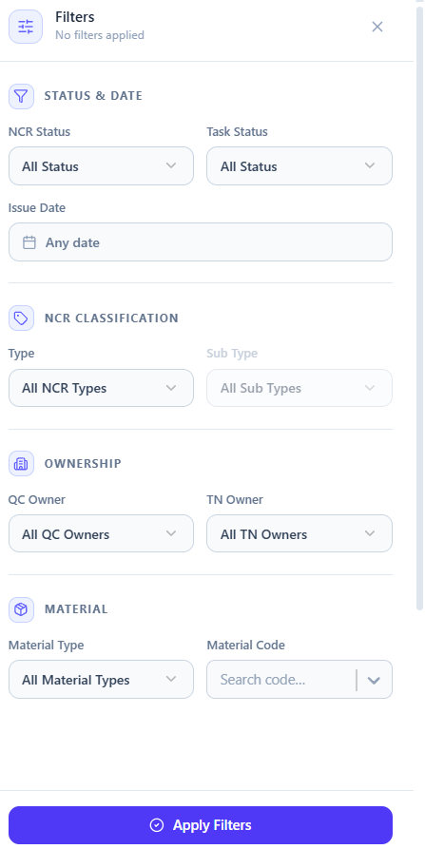
Able filter by
CCAR status
STEP CCAR
CUSTOMER
ISUZU MOTOR (THAILAND) CO,LTD
Product Name
Department answer CCAR
Plant Owner
Department Owner
CCAR No. | BU | Customer Name | Product Name | Lot No. | Subject | Problem | Plant | Department answer CCAR | Issue by | Issue Date | CCAR Status | CCAR STEP | Actions
CCAR 2026/0001 | AOEM | ISUZU MOTOR (THAILAND) CO,LTD | OP-3 PRIMER N-3 | 20260214 | Products Quality | CRATER | Enamel | QC (Enamel) | WISA | 2026-02-01 | Pending | Customer Feedback Result Step 6

